ContinuousFunction
Continuous function

F(x)=(x-2)2+3 | x= | 16 | F(x)= | 199

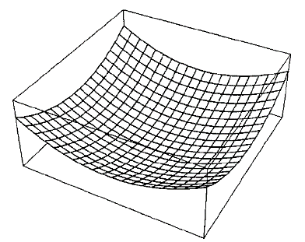
 | F(x)
-20 | 487
-19.7 | 473.89
-19.4 | 460.96
-19.1 | 448.21
-18.8 | 435.64
-18.5 | 423.25
-18.2 | 411.04
-17.9 | 399.01
-17.6 | 387.16
-17.3 | 375.49
-17 | 364
-16.7 | 352.69
-16.4 | 341.56
-16.1 | 330.61
-15.8 | 319.84
-15.5 | 309.25
-15.2 | 298.84
-14.9 | 288.61
-14.6 | 278.56
-14.3 | 268.69
-14 | 259
-13.7 | 249.49
-13.4 | 240.16
-13.1 | 231.01
-12.8 | 222.04
-12.5 | 213.25
-12.2 | 204.64
-11.9 | 196.21
-11.6 | 187.96
-11.3 | 179.89
-11 | 172
-10.7 | 164.29
-10.4 | 156.76
-10.1 | 149.41
-9.8 | 142.24
-9.5 | 135.25
-9.2 | 128.44
-8.9 | 121.81
-8.6 | 115.36
-8.3 | 109.09
-8 | 103
-7.7 | 97.09
-7.4 | 91.36
-7.1 | 85.81
-6.8 | 80.44
-6.5 | 75.25
-6.2 | 70.24
-5.9 | 65.41
-5.6 | 60.76
-5.3 | 56.29
...

ModalFunction
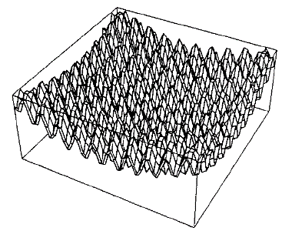
Continuous modal function

G(x)=x2-Acos(wx)+A |  | x= | 4.9746913908 | G(x)= | 24.873722935

 | G(x)
-10 | 100
-9.9 | 99.919830056
-9.8 | 102.94983006
-9.7 | 107.18016994
-9.6 | 110.25016994
-9.5 | 110.25
-9.4 | 106.45016994
-9.3 | 99.580169944
-9.2 | 91.549830056
-9.1 | 84.719830056
-9 | 81
-8.9 | 81.119830056
-8.8 | 84.349830056
-8.7 | 88.780169944
-8.6 | 92.050169944
-8.5 | 92.25
-8.4 | 88.650169944
-8.3 | 81.980169944
-8.2 | 74.149830056
-8.1 | 67.519830056
-8 | 64
-7.9 | 64.319830056
-7.8 | 67.749830056
-7.7 | 72.380169944
-7.6 | 75.850169944
-7.5 | 76.25
-7.4 | 72.850169944
-7.3 | 66.380169944
-7.2 | 58.749830056
-7.1 | 52.319830056
-7 | 49
-6.9 | 49.519830056
-6.8 | 53.149830056
-6.7 | 57.980169944
-6.6 | 61.650169944
-6.5 | 62.25
-6.4 | 59.050169944
-6.3 | 52.780169944
-6.2 | 45.349830056
-6.1 | 39.119830056
-6 | 36
-5.9 | 36.719830056
-5.8 | 40.549830056
-5.7 | 45.580169944
-5.6 | 49.450169944
-5.5 | 50.25
-5.4 | 47.250169944
-5.3 | 41.180169944
-5.2 | 33.949830056
-5.1 | 27.919830056
...
A= | 10
w= | 6.2831853072

StepFunction
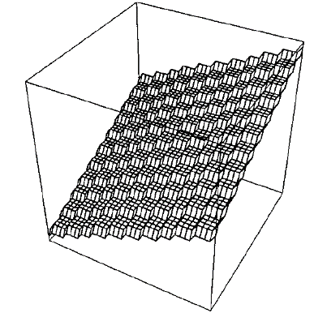
Step function

H(x)=|x|+A |  | x= | 12.4 | H(x)= | 22

H(x)
 | F(x)
-25 | -15
-24.7 | -15
-24.4 | -15
-24.1 | -15
-23.8 | -14
-23.5 | -14
-23.2 | -14
-22.9 | -13
-22.6 | -13
-22.3 | -13
-22 | -12
-21.7 | -12
-21.4 | -12
-21.1 | -12
-20.8 | -11
-20.5 | -11
-20.2 | -11
-19.9 | -10
-19.6 | -10
-19.3 | -10
-19 | -9
-18.7 | -9
-18.4 | -9
-18.1 | -9
-17.8 | -8
-17.5 | -8
-17.2 | -8
-16.9 | -7
-16.6 | -7
-16.3 | -7
-16 | -6
-15.7 | -6
-15.4 | -6
-15.1 | -6
-14.8 | -5
-14.5 | -5
-14.2 | -5
-13.9 | -4
-13.6 | -4
-13.3 | -4
-13 | -3
-12.7 | -3
-12.4 | -3
-12.1 | -3
-11.8 | -2
-11.5 | -2
-11.2 | -2
-10.9 | -1
-10.6 | -1
-10.3 | -1
...
A= | 10

